Table 2
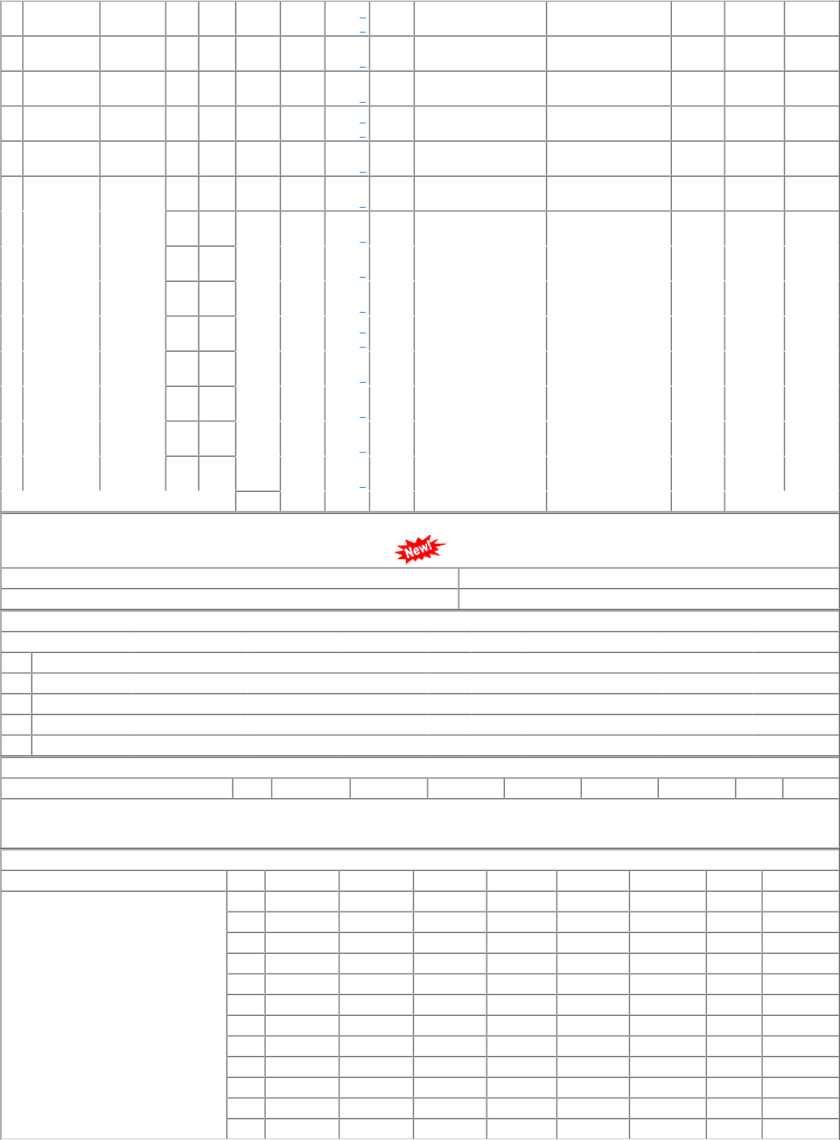
25 BVP 27 VTA-DL 28 BVPW 54 GIM 61 DHD-L |  | 13 10 02 ( Closed ) 65 10 21 69 10 28 54 10 21 ( Closed ) 03 10 61 |  |  |  |  |  | 0 0 760 0 40 0 0 0 |  |  |  | 0 0 440 0 40 0 0 0 |  |  | 0 0 780 0 0 0 2480 0 |  |  | 0 0 420 0 0 0 1660 40 |  |  |  |  |  |  | 0 0 0 0 0 80 0 0 1420 0 (2.4) 0 0 0 0 0 80 0 0 |  |  |  |  |  |  |  |  | 24/05/11 07/05/11 04/01/23 27/08/19 07/01/23 23/11/22 15/09/20 16/03/17 03/01/23 21/12/22 |  |  |  | 96.02 LTR 125.16 LTR 150.83 LTR 106.06 LTR 174.74 LTR
7200 |  |  |  |  |  |  |  |  |  |  |  |  |  |  |  | 5640 |  |  | 6300 |  |  |  | 6200 |  | 7000
0 |  |  |  |  |  |  |  |  |  |  |  |  |  |  |  | 0 |  |  | 0 |  |  |  | 0 |  | 7000
62 PRTN-CW 51 10 62 240 |  |  |  |  |  |  |  |  |  |  | 280 |  |  |  |  | 360 | 300 |  |  | 600 260 0 07/01/23 138.61
0 |  |  |  |  |  |  |  |  |  |  | 0 |  |  |  |  | 0 | 0 |  |  | 600 (5.2) 30/04/21 LTR
64 | RTM-DL | 72 |  | 10 | 62 | 260 |  |  | 260 |  |  |  |  | 260 |  |  | 140 |  |  | 0 |  |  |  |  |  |  |  | 40 0 |  |  |  |  |  |  | 2022-12-05 |  | 129.52
 |  |  |  |  |  | 0 |  |  | 0 |  |  |  |  | 0 |  |  | 0 |  |  | 0 |  |  |  |  |  |  |  |  |  |  |  |  |  |  | 2021-08-12 |  | LTR
65 | BRC-ELS | 62 |  | 10 | 65 | 440 |  |  | 240 |  |  |  |  | 140 |  |  | 80 |  |  | 400 |  |  |  |  |  |  |  | 80 0 |  |  |  |  |  |  | 2022-11-12 |  | 131.09
 |  |  |  |  |  | 0 |  |  | 0 |  |  |  |  | 0 |  |  | 0 |  |  | 400 |  |  |  |  |  |  |  | (2.4) |  |  |  |  |  |  | 2019-06-14 |  | LTR
69 | BRCMEMU | 66 |  | 10 | 65 | 40 |  |  | 40 |  |  |  |  | 140 |  |  | 0 |  |  | 0 |  |  |  |  |  |  |  | 0 0 |  |  |  |  |  |  | 2021-12-21 |  | 120.35
 |  |  |  |  |  | 0 |  |  | 0 |  |  |  |  | 0 |  |  | 0 |  |  | 0 |  |  |  |  |  |  |  |  |  |  |  |  |  |  | 2017-07-25 |  | LTR
72 | PRTN-NG | 45 |  | 10 | 62 | 0 |  |  | 0 |  |  |  |  | 0 |  |  | 0 |  |  | 0 |  |  |  |  |  |  |  | 0 0 |  |  |  |  |  |  | 2018-10-10 |  | 120.93
 |  | ( Closed ) |  |  |  | 0 |  |  | 0 |  |  |  |  | 0 |  |  | 0 |  |  | 0 |  |  |  |  |  |  |  |  |  |  |  |  |  |  | 2016-12-22 |  | LTR
82 | BRC-DIV | 21 |  | 10 | 21 | 700 |  |  | 320 |  |  |  |  | 100 |  |  | 0 |  |  | 0 |  |  |  |  |  |  |  | 0 0 |  |  |  |  |  |  | 2021-10-11 |  | 117.19
 |  |  |  |  |  | 0 |  |  | 0 |  |  |  |  | 0 |  |  | 0 |  |  | 0 |  |  |  |  |  |  |  |  |  |  |  |  |  |  | 2017-04-26 |  | LTR
83 | RTM-DIV | 31 |  | 10 | 62 | 420 |  |  | 500 |  |  |  |  | 360 |  |  | 1720 |  |  | 0 |  |  |  |  |  |  |  | 100 0 |  |  |  |  |  |  | 2022-12-27 |  | 131.89
 |  |  |  |  |  | 0 |  |  | 0 |  |  |  |  | 0 |  |  | 0 |  |  | 0 |  |  |  |  |  |  |  |  |  |  |  |  |  |  | 2019-02-19 |  | LTR
87 | RJT-DIV | 71 |  | 10 | 21 | 1200 |  |  | 280 |  |  |  |  | 640 |  |  | 680 |  |  | 0 |  |  |  |  |  |  |  | 300 0 |  |  |  |  |  |  | 2023-01-05 |  | 131.39
 |  |  |  |  |  | 0 |  |  | 0 |  |  |  |  | 0 |  |  | 0 |  |  | 0 |  |  |  |  |  |  |  |  |  |  |  |  |  |  | 2017-04-19 |  | LTR
88 | BVP-DIV | 81 |  | 10 | 21 | 460 |  |  | 420 |  |  |  |  | 280 |  |  | 160 |  |  | 0 |  |  |  |  |  |  |  | 0 0 |  |  |  |  |  |  | 2022-12-20 |  | 122.87
 |  |  |  |  |  | 0 |  |  | 0 |  |  |  |  | 0 |  |  | 0 |  |  | 0 |  |  |  |  |  |  |  |  |  |  |  |  |  |  | 2017-07-24 |  | LTR
TOTAL( CONSUMPTION ): 51342 28781 |  |  |  |  |  |  |  |  |  |  |  |  |  |  | 44027 |  |  | 33080 |  |  | 43359(Cat-10, MDP) |  |  |  |  |  |  |  | 10164 (2.8 months)
Total available Stock of selected item in Digital Ledgers maintained by Users / Consignees of Western Railway in UDM
Stock Qty 19480.500 LTR |  |  |  |  |  |  |  |  |  |  |  |  | UN-COVERED DUES DETAILS |  |  |  |  |  |  |  |  |  |  |  |  |  |  |  |  |  | Stock Value 2636256.79
Depot |  |  | Demand No. |  |  |  |  | Reg.Date |  |  |  |  |  |  | Due Qty |  |  |  |  |  |  | Unit |  | Type |  |  | File/Tender No. |  |  |  |  |  | Due Date |  |  | Remarks
28 BVPW |  |  | 2822043012 |  |  |  |  | 2022-04-02 |  |  |  |  |  |  | 5063.333 |  |  |  |  |  |  | LTR |  | SRM |  |  | 04221933 |  |  |  |  |  | 2022-08-16
61 DHD-L |  |  | 6122043012 |  |  |  |  | 2022-04-02 |  |  |  |  |  |  | -1 |  |  |  |  |  |  | LTR |  | SRM |  |  | 04221933
62 PRTN-CW |  |  | 6222043012 |  |  |  |  | 2022-04-02 |  |  |  |  |  |  | 138 |  |  |  |  |  |  | LTR |  | SRM |  |  | 04221933
28 BVPW |  |  | 2822110291 |  |  |  |  | 2022-11-03 |  |  |  |  |  |  | 3000 |  |  |  |  |  |  | LTR |  | ERM |  |  | 78221302A |  |  |  |  |  | 2023-01-11
61 DHD-L |  |  | 6122110629 |  |  |  |  | 2022-11-29 |  |  |  |  |  |  | 500 |  |  |  |  |  |  | LTR |  | ERM |  |  | 61221673
RLY.BOARD INDENT COVERAGE DETAILS P.O.No./Vendor Name Sr Depot AI Rate PO Qty Unit Due Qty Start DP Dely.Dt Dem.No.
NO COVERAGE FOR THIS ITEM
COVERED DUES DETAILS P.O.No./Vendor Name Sr Depot AI Rate PO Qty Unit Due Qty Start Dp Dely.Dt Dem.No.
P.O.No.04171933102398 dt.07- may-2018 on M/s.RAHUL PAINTS- LUCKNOWRITES-CALL PO-CAT:[ Reg ] |  |  |  |  |  |  | 001 002 003 004 |  |  | MX-GSD PL-CR PL-CR BCT-CD |  |  |  |  |  | 0 114.05 114.05 0 |  |  |  |  | 0 13965 7000 0 |  |  |  |  | LTR LTR LTR LTR |  |  |  | 0 5 -2800 0 |  | 2021-05-11 |  | 07/10/19 0117123005 10/02/22 0217123005 07/10/19 0217123005 07/10/19 0417123005
005 EMU-MX 006 SBI-GSD 007 SBI-GSD |  |  |  |  |  |  |  |  |  |  |  |  |  |  |  | 114.05 111.74 111.74 |  |  |  |  | 1560 11475 6805 |  |  |  |  | LTR LTR LTR |  |  |  | 1560 175 -235 |  | 2020-11-27 |  | 07/10/19 0717123005 28/12/18 2117123005 28/12/20 2117123005
008 009 |  |  |  |  |  |  |  |  |  | BVPW BVPW |  |  |  |  |  | 111.74 111.74 |  |  |  |  | 5000 1800 |  |  |  |  | LTR LTR |  |  |  | 5000 1800 |  | 11/05/21 11/05/21 |  | 07/02/23 2817123005 07/02/23 2817123005
010 PRTN-CW 011 PRTN-CW 012 BRC-ELS |  |  |  |  |  |  |  |  |  |  |  |  |  |  |  | 111.74 111.74 0 |  |  |  |  | 1000 350 0 |  |  |  |  | LTR LTR LTR |  |  |  | 1000 350 0 |  | 11/05/21 27/11/20 11/05/21 |  | 07/02/23 6217123005 07/02/23 6217123005 07/02/22 6517123005

